40e
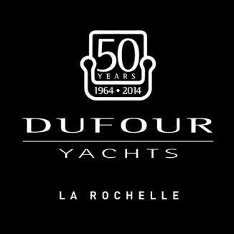 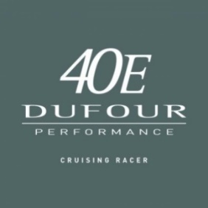  NETWORK YACHT SALES PLYMOUTH
Dufour 40e Performance - 2 cabin, 1 head; standard rig

COMFORT Version without sails | £137,569
DYNAMIC Version without sails |  | £142,731
Delivery | £3,600
Commissioning | £4,900
Specification | Comfort | Dynamic
Deep cast iron keel 2.10m | s | s
40hp Volvo Penta engine | s | s
Laminated floor boards in plain MOABI | s | s
Blue saloon lighting near floor | s | s
Bora Bora 21 beige saloon cushions | s | s
Roller blinds for deck hatches | s | s
Refridgerator with front and top opening | s | s
Water heater | s | s
2 burner hob with oven | s | s
Corian worktop in galley | s | s
Battery charger | s | s
Extra service battery (100 Amph) | s | s
Genoa furling system under deck | s | s
Hot and cold cockpit shower | s | s
12V outlet in cockpit | s | s
220V, shore power with outlets in cabins and saloon | s | s
Blue Sail kit: new generation engine, high output alternator (115-140 Amps), LED navigation lights, sea water foot pump, injection/infusion deck, system carburizing anti-overflow, large capacity holding tank(s), kit of biodegradable cleaning products | s | s
Stern door | s | s
Rigid boom vang | s | s
Tall mast with 2 sets spreaders |  | s
Dyform standing rigging |  | s
Running rigging in low stretch Dyneema |  | s
Adjustable Genoa cars |  | s
Germain mainsheet system |  | s
Set of winches for spinnaker sheets and German mainsheet system |  | s
Folding propeller |  | s

Options
HULL
Epoxy coating | £1,221
Shallow cast iron keel 1.75m | £767
Lead/cast iron keel (2.10m) | £6,726
Coloured hull (Whisper grey, Star & Stripes, Carinthia Blue) | £11,926
Main anchor, 6 fenders & 3 warps | £1,030
ENGINE
55hp engine | £1,731
2 blade folding propeller (40hp engine) | £639
3 blade folding prop for 55hp engine | £1,421
Retractable bow thruster | £7,832
SAILS/RIGGING
Fully batten mainsail & genoa 140% for standard mast | £3,271
Fully batten mainsail & genoa 108% in Dacron for long mast | £4,981
Offshore sails: full batten main, 108% genoa in sandwich Mylar grey, radial cut (for tall mast) | £8,364
DECK GEAR/RIGGING
German mainsheet system | £799
Set of winches for spinnaker sheets & german mainsheet system | £845
Additional set of winches on coaming | £752
Electric halyard winch (per unit) | £2,679
Set of electric genoa winches | £4,925
Set of electric winches for spinnaker and German mainsheet system | £4,925
Symmetrical spinnaker deck fittings with aluminium pole (spinnaker winch option required) | £2,303
Carbon pole in place of aluminium pole | £1,879
Asymmetric spinnaker gear (winch required) | £931
Removable inner forestay with tensioner and halyard | £893
Adjustable Genoa cars | £460
DECK EQUIPMENT
Teak coachroof | £1,382
Teak cockpit floor | £2,027
Teak side decks | £9,407
Black leather covered Fastnet wheels | £1,382
Black carbon wheels | £7,049
Cockpit table | £893
Sprayhood with handrail | £1,410
Outboard engine bracket on pushipt | £75
Grey cockpit cushions | £517
Stainless steel bow protection | £611
Cockpit portlight in aft cabin per unit | £460
2 cockpit speakers for stereo | £166
INTERIOR
Extra for 3 cabin/2 heads | £1,408
Oak interior | £2,681
Folding saloon table with storage locker & converting into berth | £1,797
Convertible saloon table (for standard table) | £550
Slatted mattress supports (2 cabin version) | £536
Slatted mattress supports (3 cabin version) | £696
Relax beige saloon cushions | £320
Stone grey suedette saloon cushions | £692
Bonanza moon saloon cushions | £320
Lodge storm saloon cushions | £692
Bora Bora 17 brown saloon cushions | £360
Tutledove 001 leather saloon cushions | £2,617
Chocolate 002 lether saloon cushions | £2,617
Beige 003 leather saloon cushions | £2,617
Light grey 011 suedette saloon cushions | £692
Tutledove 012 suedette saloon cushions | £692
Mouse grey 013 suedette saloon cushions | £692
ELECTRIC SYSTEM
Reversible air conditioning 2 cabin version | £8,928
Reversible air conditioning 3 cabin version | £9,304
Heating (outlets in saloon, cabins & head(s)) | £3,882
1000W electric windlass | £1,923
Microwave (220V only) | £564
LED saloon lights | £423
Radio/CD/MP3 with 2 speakers | £322
300W inverter | £136
WATER SYSTEM
Additional holding tank | £1,153
Large toilet bowl (per unit) | £470
Electric large size toilet (per unit) | £775
Fresh water circuit with shore connection | £124
Electric bilge pump with automatic switch | £455
ELECTRONICS
Raymarine i70s x 2 | £2,162
Additional i70 at chart table | £526
Autopilot (linear) with Raymarine display | £4,689
Raymarine e7 at chart table (no maps) | £2,045
Raymarine e7 at cockpit (no maps) | £1,971
e95 at chart table | £3,475
e95 at cockpit | £3,834
Radar 4Kw | £2,660
Interface for PC with USB port | £564
Raymarine Ray49e VHF | £616
VHF speaker in cockpit | £517
TOTAL ex VAT | £0
UK FIT
SUB TOTAL | £0
VAT | £0
TOTAL | £0
Discounts are available dependant on Specification
Due to Euro rate fluctuations, prices are only confirmed at the point of ordering
NETWORK YACHT SALES - 01752 605377
E-mail: nyb.plymouth@btconnect.com
Web:www.nybplymouth.co.uk

